Sheet1
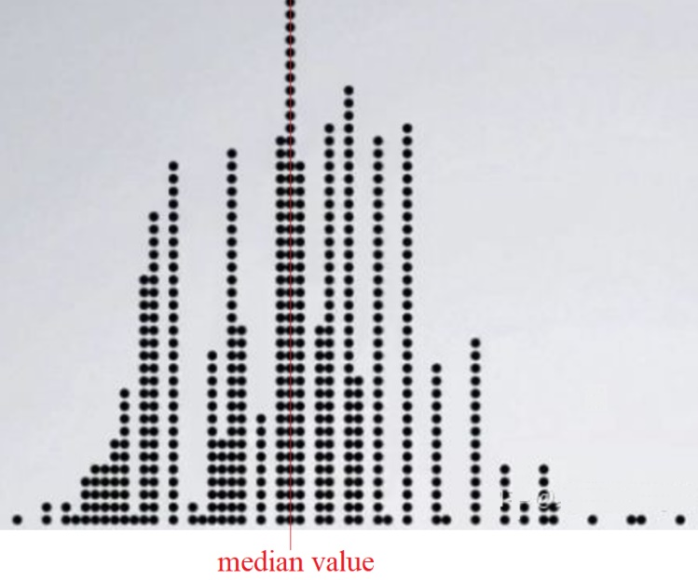
How to get median value from the given dataset by bootstrapping method?

each new set(Bstrp1, Bstrp1 … … , Bstrp10, 000) is generated randomly from "select with replacement"

original | Btstrp1 | Btstrp2 | Btstrp3 | Btstrp4 | Btstrp5 | … … | Btstrp10,000 | Freq. of median
12 | 12 | 34 | 45 | 12 | 99 |  | 34 | 1
99 | 99 | 12 | 34 | 99 | 99 |  | 12 | 0
45 | 12 | 12 | 78 | 12 | 12 |  | 45 | 4
78 | 99 | 99 | 12 | 45 | 34 |  | 99 | 0
34 | 45 | 99 | 12 | 78 | 45 |  | 45 | 2
median | 45 | 34 | 34 | 45 | 45 | 12 | 45

Plot the numbers of 12, 34, 45, 99, 78 as follows, and then median has highest distribution value

General distribution plot as follows

